SAMD2xx
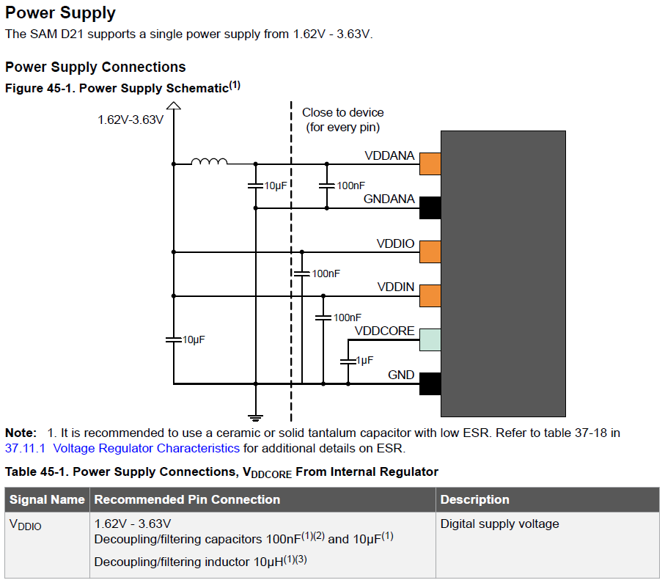
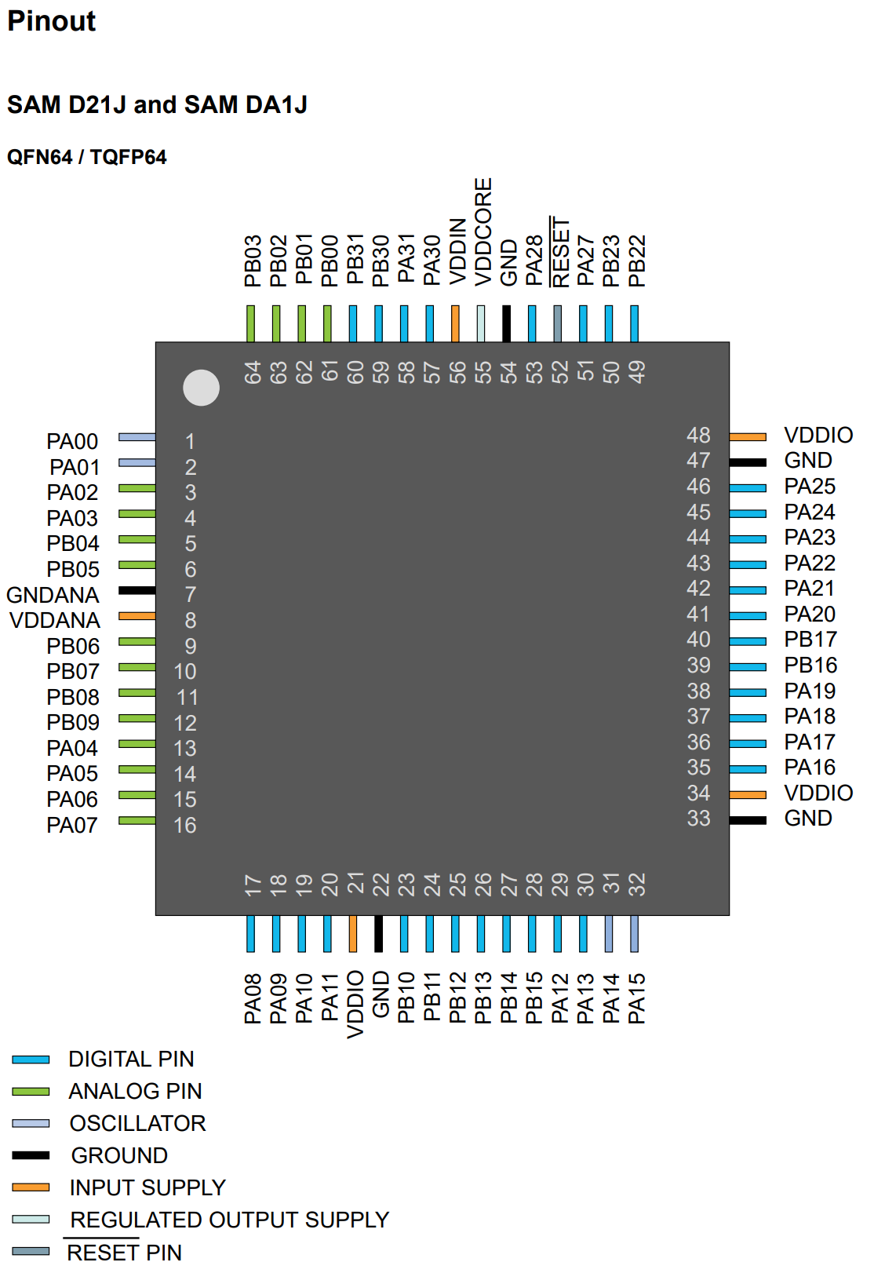
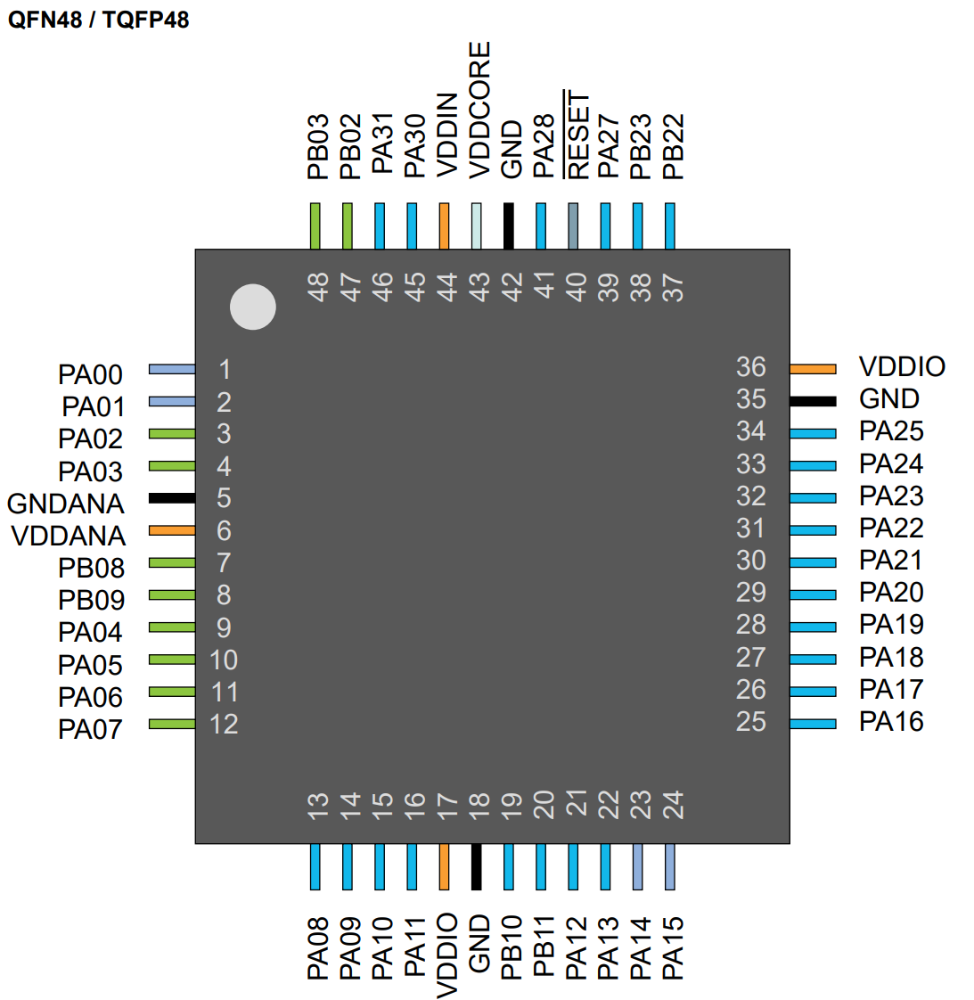
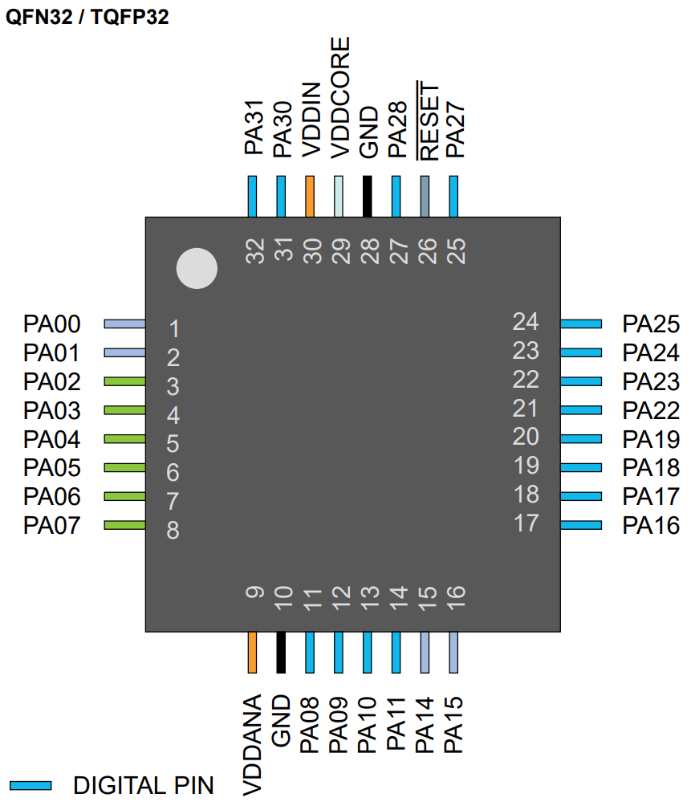
SAMD2x Pin Multiplex Table
Datasheet: | SAM-D21-DA1-Family-Data-Sheet-DS40001882H.pdf
Application |  |  |  | Variant | Pin |  |  | I/O Pin | Supply | A | B |  |  |  |  | C | D | E | F | G | H | Arduino Framework Code
Pin Name | Function | Pin mode | Pin init state | Arduino Pin | SAMD2xE | SAMD2xG | SAMD2xJ | Port Pin | VDD | EIC | REF | ADC | AC | PTC | DAC | SERCOM | SERCOM-ALT | TC/TCC | TCC | COM | AC/GCLK | Pin #defines | Pinmode() | digitalWrite()
XIN32 |  |  |  |  | 1 | 1 | 1 | PA00 | VDDANA | EXTINT.0 |  |  |  |  |  |  | SERCOM1.0 | TCC2/WO.0
XOUT32 |  |  |  |  | 2 | 2 | 2 | PA01 | VDDANA | EXTINT.1 |  |  |  |  |  |  | SERCOM1.1 | TCC2/WO.1
V_SUPPLY_FB |  | Input | Hi Z | 2 | 3 | 3 | 3 | PA02 | VDDANA | EXTINT.2 |  | AIN.0 |  | Y.0 | VOUT |  |  |  | TCC3/WO.0 |  |  | #define PIN_V_SUPPLY_FB 2 | pinMode(PIN_V_SUPPLY_FB, INPUT);
CT_ADC_IN |  | Input | Hi Z | 3 | 4 | 4 | 4 | PA03 | VDDANA | EXTINT.3 | ADC/VREFA DAC/VREFA | AIN.1 |  | Y.1 |  |  |  |  | TCC3/WO.1 |  |  | #define PIN_CT_ADC_IN 3 | pinMode(PIN_CT_ADC_IN, INPUT);
ENABLE_IN_DRAIN |  | Input | High | 4 | 5 | 9 | 13 | PA04 | VDDANA | EXTINT.4 | ADC/VREFB | AIN.4 | AIN.0 | Y.2 |  |  | SERCOM0.0 | TCC0/WO.0 | TCC3/WO.2 |  |  | #define PIN_ENABLE_IN_DRAIN 4 | pinMode(PIN_ENABLE_IN_DRAIN, INPUT_PULLUP);
INTERLOCK_IN_DRAIN_1 |  | Input | High | 5 | 6 | 10 | 14 | PA05 | VDDANA | EXTINT.5 |  | AIN.5 | AIN.1 | Y.3 |  |  | SERCOM0.1 | TCC0/WO.1 | TCC3/WO.3 |  |  | #define PIN_INTERLOCK_IN_DRAIN_1 5 | pinMode(PIN_INTERLOCK_IN_DRAIN_1, INPUT_PULLUP);
INTERLOCK_IN_DRAIN_2 |  | Input | High | 6 | 7 | 11 | 15 | PA06 | VDDANA | EXTINT.6 |  | AIN.6 | AIN.2 | Y.4 |  |  | SERCOM0.2 | TCC1/WO.0 | TCC3/WO.4 |  |  | #define PIN_INTERLOCK_IN_DRAIN_2 6 | pinMode(PIN_INTERLOCK_IN_DRAIN_2, INPUT_PULLUP);
INTERLOCK_IN_DRAIN_3 |  | Input | High | 7 | 8 | 12 | 16 | PA07 | VDDANA | EXTINT.7 |  | AIN.7 | AIN.3 | Y.5 |  |  | SERCOM0.3 | TCC1/WO.1 | TCC3/WO.5 | I2S/SD.0 |  | #define PIN_INTERLOCK_IN_DRAIN_3 7 | pinMode(PIN_INTERLOCK_IN_DRAIN_3, INPUT_PULLUP);
INTERLOCK_IN_DRAIN_4 |  | Input | High | 8 | 11 | 13 | 17 | PA08 | VDDIO | NMI |  | AIN.16 |  | X.0 |  | SERCOM0.0 | SERCOM2.0 | TCC0/WO.0 | TCC1/WO.2 | I2S/SD.1 |  | #define PIN_INTERLOCK_IN_DRAIN_4 8 | pinMode(PIN_INTERLOCK_IN_DRAIN_4, INPUT_PULLUP);
CONTACTOR_GATE |  | Output | Low | 9 | 12 | 14 | 18 | PA09 | VDDIO | EXTINT.9 |  | AIN.17 |  | X.1 |  | SERCOM0.1 | SERCOM2.1 | TCC0/WO.1 | TCC1/WO.3 | I2S/MCK.0 |  | #define PIN_CONTACTOR_GATE 9 | pinMode(PIN_CONTACTOR_GATE, OUTPUT); | digitalWrite(PIN_CONTACTOR_GATE, LOW);
OUTPUT_GATE_1 |  | Output | Low | 10 | 13 | 15 | 19 | PA10 | VDDIO | EXTINT.10 |  | AIN.18 |  | X.2 |  | SERCOM0.2 | SERCOM2.2 | TCC1/WO.0 | TCC0/WO.2 | I2S/SCK.0 | GCLK_IO.4 | #define PIN_OUTPUT_GATE_1 10 | pinMode(PIN_OUTPUT_GATE_1, OUTPUT); | digitalWrite(PIN_OUTPUT_GATE_1, LOW);
OUTPUT_GATE_2 |  | Output | Low | 11 | 14 | 16 | 20 | PA11 | VDDIO | EXTINT.11 |  | AIN.19 |  | X.3 |  | SERCOM0.3 | SERCOM2.3 | TCC1/WO.1 | TCC0/WO.3 | I2S/FS.0 | GCLK_IO.5 | #define PIN_OUTPUT_GATE_2 11 | pinMode(PIN_OUTPUT_GATE_2, OUTPUT); | digitalWrite(PIN_OUTPUT_GATE_2, LOW);
 |  |  |  | 14 | 15 | 23 | 31 | PA14 | VDDIO | EXTINT.14 |  |  |  |  |  | SERCOM2.2 | SERCOM4.2 | TC3/WO.0 | TCC0/WO.4 |  | GCLK_IO.0
LED_STATUS_R |  | Output | High | 15 | 16 | 24 | 32 | PA15 | VDDIO | EXTINT.15 |  |  |  |  |  | SERCOM2.3 | SERCOM4.3 | TC3/WO.1 | TCC0/WO.5 |  | GCLK_IO.1 | #define PIN_LED_STATUS_R 15 | pinMode(PIN_LED_STATUS_R, OUTPUT); | digitalWrite(PIN_LED_STATUS_R, HIGH);
LED_STATUS_G |  | Output | High | 16 | 17 | 25 | 35 | PA16 | VDDIO | EXTINT.0 |  |  |  | X.4 |  | SERCOM1.0 | SERCOM3.0 | TCC2/WO.0 | TCC0/WO.6 |  | GCLK_IO.2 | #define PIN_LED_STATUS_G 16 | pinMode(PIN_LED_STATUS_G, OUTPUT); | digitalWrite(PIN_LED_STATUS_G, HIGH);
LED_STATUS_B |  | Output | High | 17 | 18 | 26 | 36 | PA17 | VDDIO | EXTINT.1 |  |  |  | X.5 |  | SERCOM1.1 | SERCOM3.1 | TCC2/WO.1 | TCC0/WO.7 |  | GCLK_IO.3 | #define PIN_LED_STATUS_B 17 | pinMode(PIN_LED_STATUS_B, OUTPUT); | digitalWrite(PIN_LED_STATUS_B, HIGH);
LED_ENABLE_R |  | Output | Low | 18 | 19 | 27 | 37 | PA18 | VDDIO | EXTINT.2 |  |  |  | X.6 |  | SERCOM1.2 | SERCOM3.2 | TC3/WO.0 | TCC0/WO.2 |  | AC/CMP.0 | #define PIN_LED_ENABLE_R 18 | pinMode(PIN_LED_ENABLE_R, OUTPUT); | digitalWrite(PIN_LED_ENABLE_R, LOW);
LED_ENABLE_G |  | Output | Low | 19 | 20 | 28 | 38 | PA19 | VDDIO | EXTINT.3 |  |  |  | X.7 |  | SERCOM1.3 | SERCOM3.3 | TC3/WO.1 | TCC0/WO.3 | I2S/SD.0 | AC/CMP.1 | #define PIN_LED_ENABLE_G 19 | pinMode(PIN_LED_ENABLE_G, OUTPUT); | digitalWrite(PIN_LED_ENABLE_G, LOW);
LED_INTERLOCK_R |  | Output | Low | 22 | 21 | 31 | 43 | PA22 | VDDIO | EXTINT.6 |  |  |  | X.10 |  | SERCOM3.0 | SERCOM5.0 | TC4/WO.0 | TCC0/WO.4 |  | GCLK_IO.6 | #define PIN_LED_INTERLOCK_R 22 | pinMode(PIN_LED_INTERLOCK_R, OUTPUT); | digitalWrite(PIN_LED_INTERLOCK_R, LOW);
LED_INTERLOCK_G |  | Output | Low | 23 | 22 | 32 | 44 | PA23 | VDDIO | EXTINT.7 |  |  |  | X.11 |  | SERCOM3.1 | SERCOM5.1 | TC4/WO.1 | TCC0/WO.5 | USB/SOF 1kHz | GCLK_IO.7 | #define PIN_LED_INTERLOCK_G 23 | pinMode(PIN_LED_INTERLOCK_G, OUTPUT); | digitalWrite(PIN_LED_INTERLOCK_G, LOW);
USB_DM |  |  |  |  | 23 | 33 | 45 | PA24 | VDDIO | EXTINT.12 |  |  |  |  |  | SERCOM3.2 | SERCOM5.2 | TC5/WO.0 | TCC1/WO.2 | USB/DM
USB_DP |  |  |  |  | 24 | 34 | 46 | PA25 | VDDIO | EXTINT.13 |  |  |  |  |  | SERCOM3.3 | SERCOM5.3 | TC5/WO.1 | TCC1/WO.3 | USB/DP
 |  |  |  | 27 | 25 | 39 | 51 | PA27 | VDDIO | EXTINT.15 |  |  |  |  |  |  |  |  | TCC3/WO.6 |  | GCLK_IO.0
 |  |  |  | 28 | 27 | 41 | 53 | PA28 | VDDIO | EXTINT.8 |  |  |  |  |  |  |  |  | TCC3/WO.7 |  | GCLK_IO.0
SWCLK |  |  |  |  | 31 | 45 | 57 | PA30 | VDDIO | EXTINT.10 |  |  |  |  |  |  | SERCOM1.2 | TCC1/WO.0 | TCC3/WO.4 | SWCLK | GCLK_IO.0
SWDIO |  |  |  |  | 32 | 46 | 58 | PA31 | VDDIO | EXTINT.11 |  |  |  |  |  |  | SERCOM1.3 | TCC1/WO.1 | TCC3/WO.5 | SWDIO

SAMD5xx
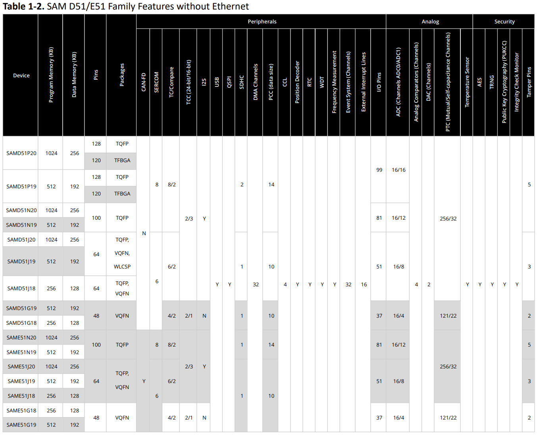
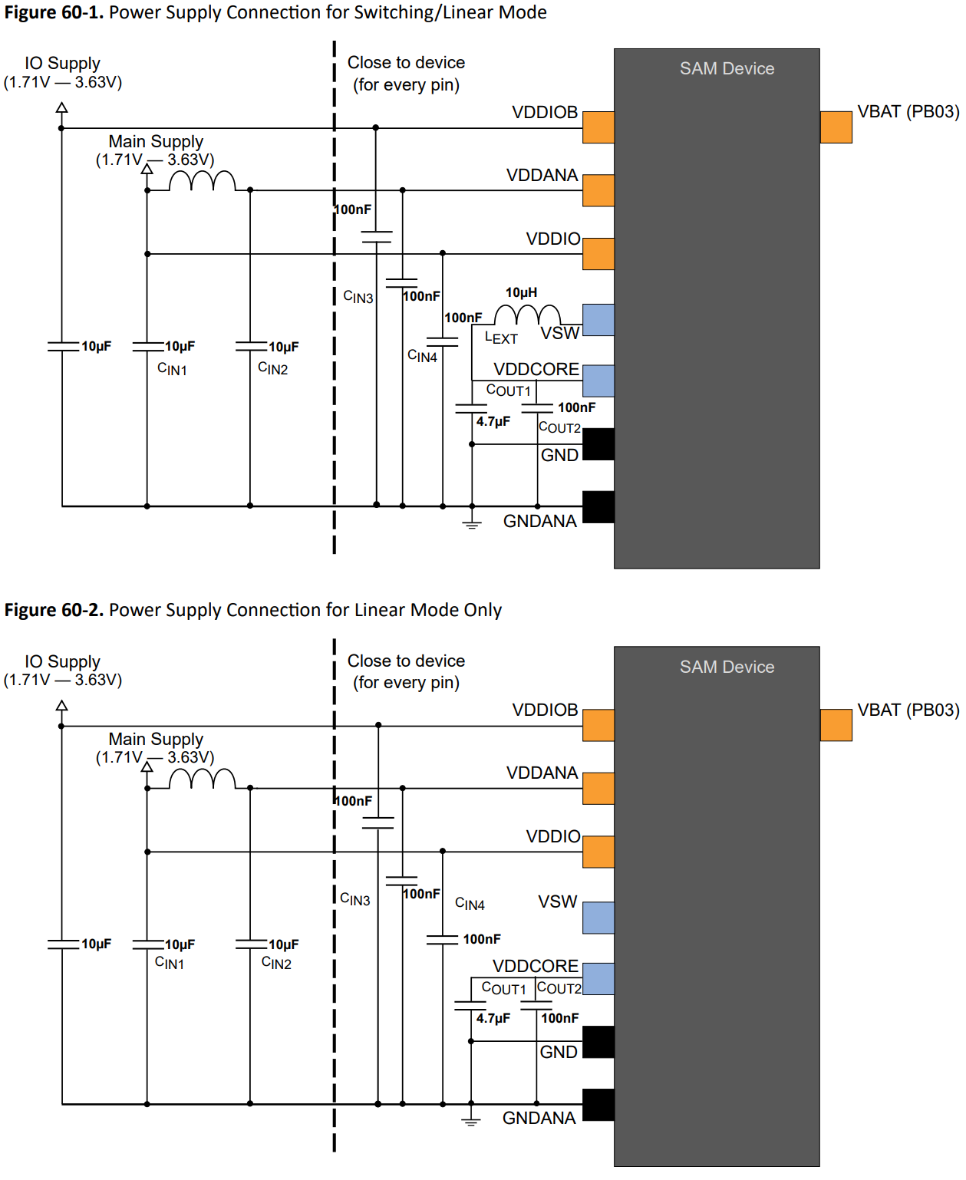
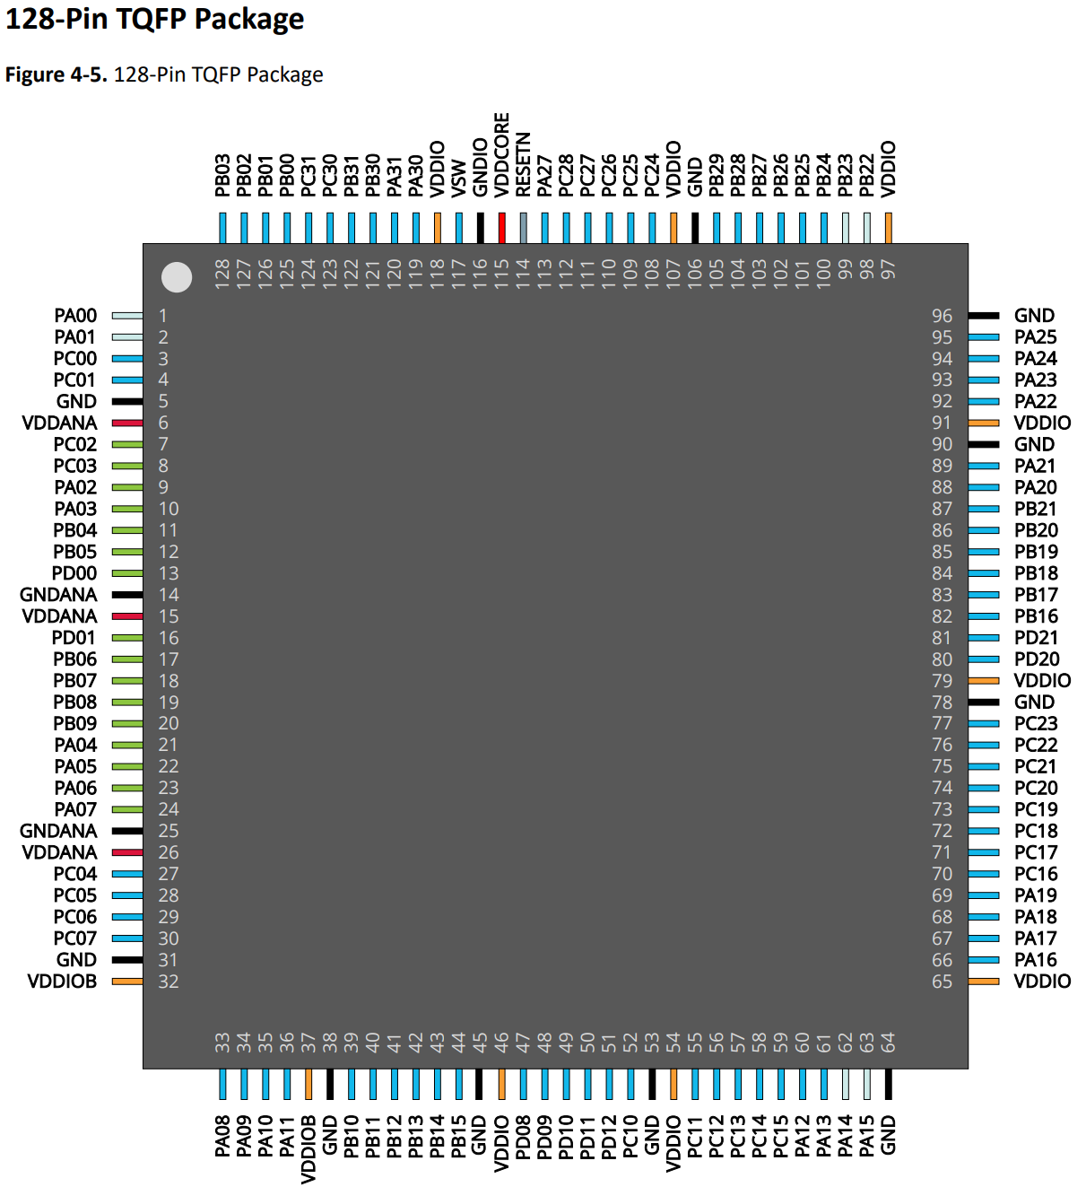
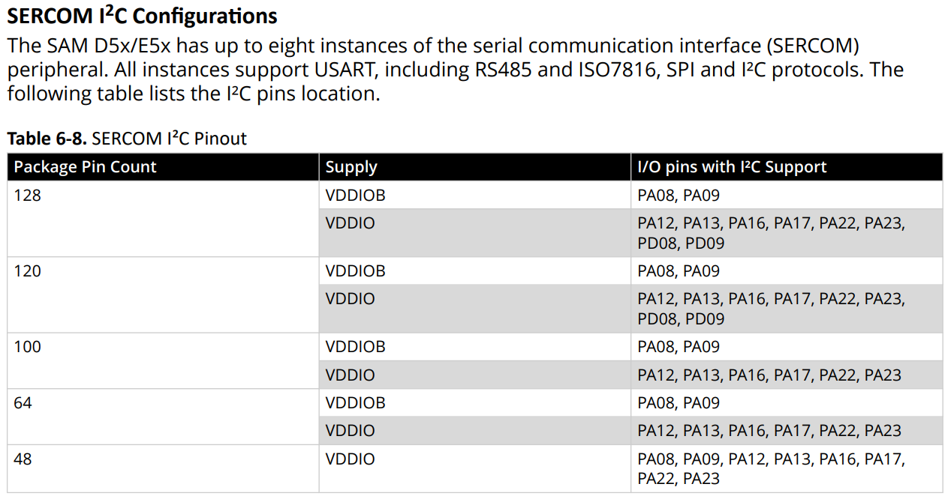
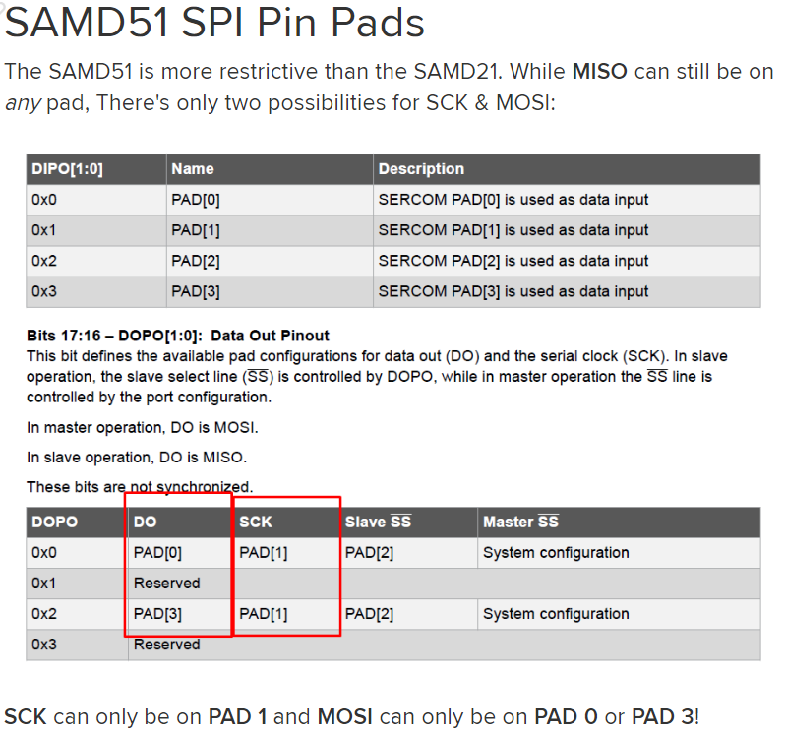
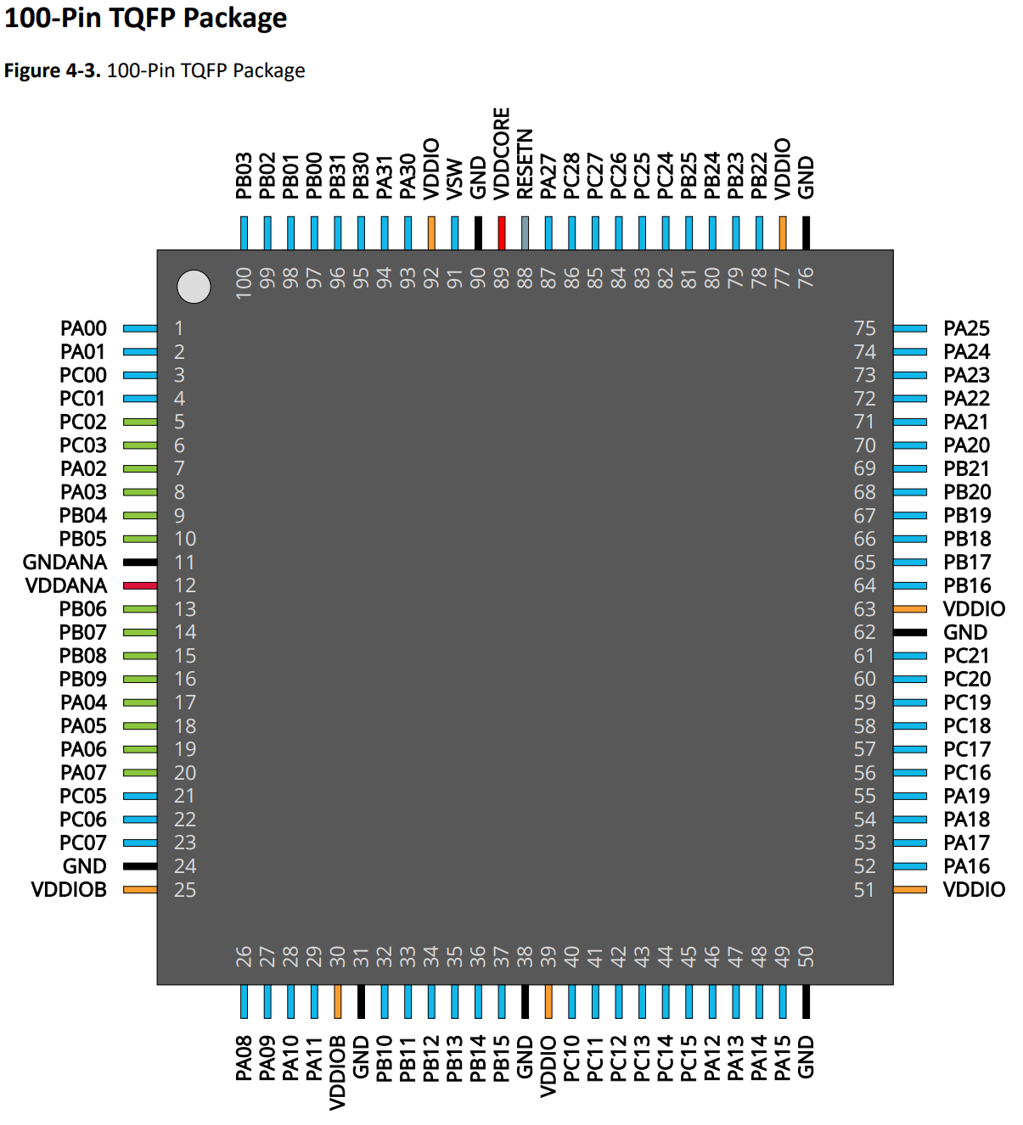
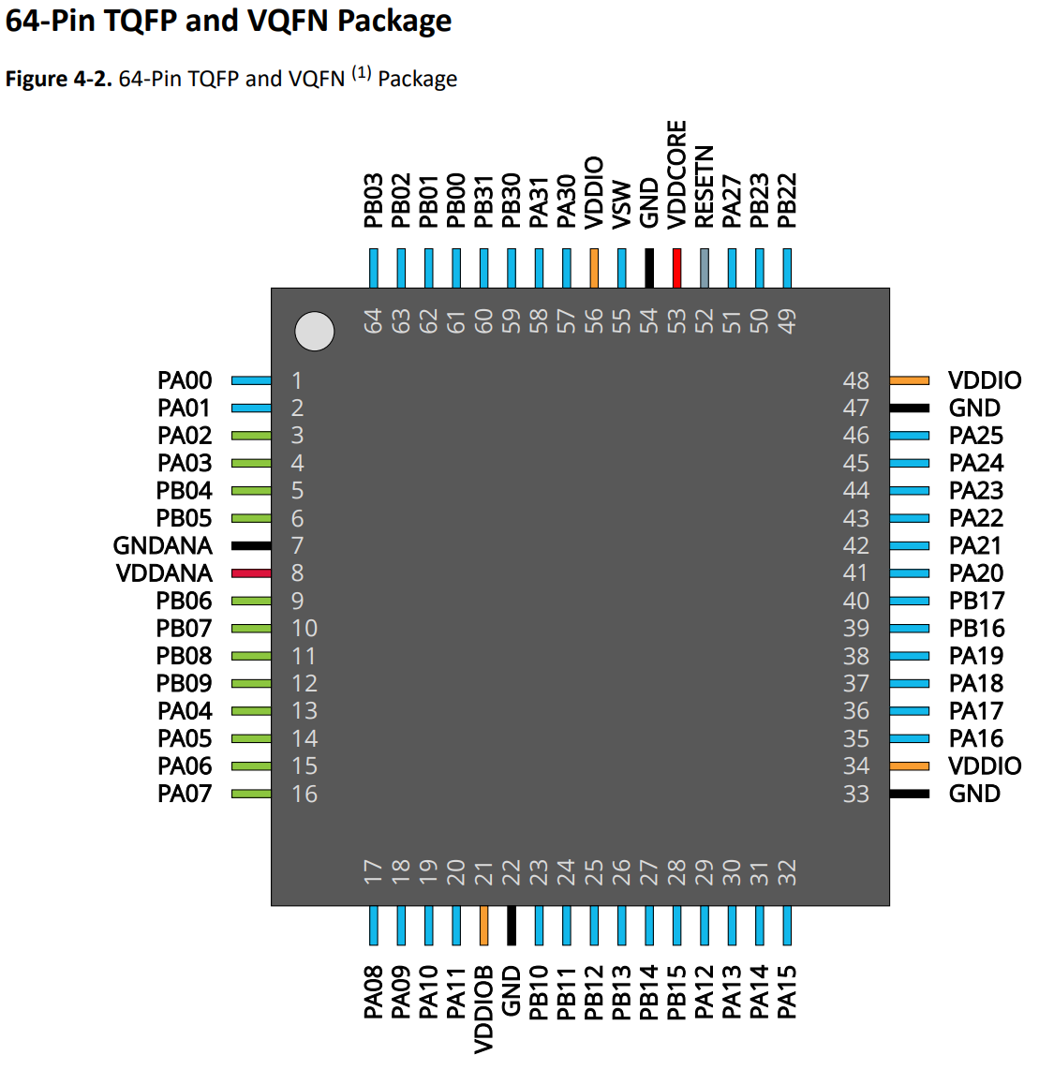
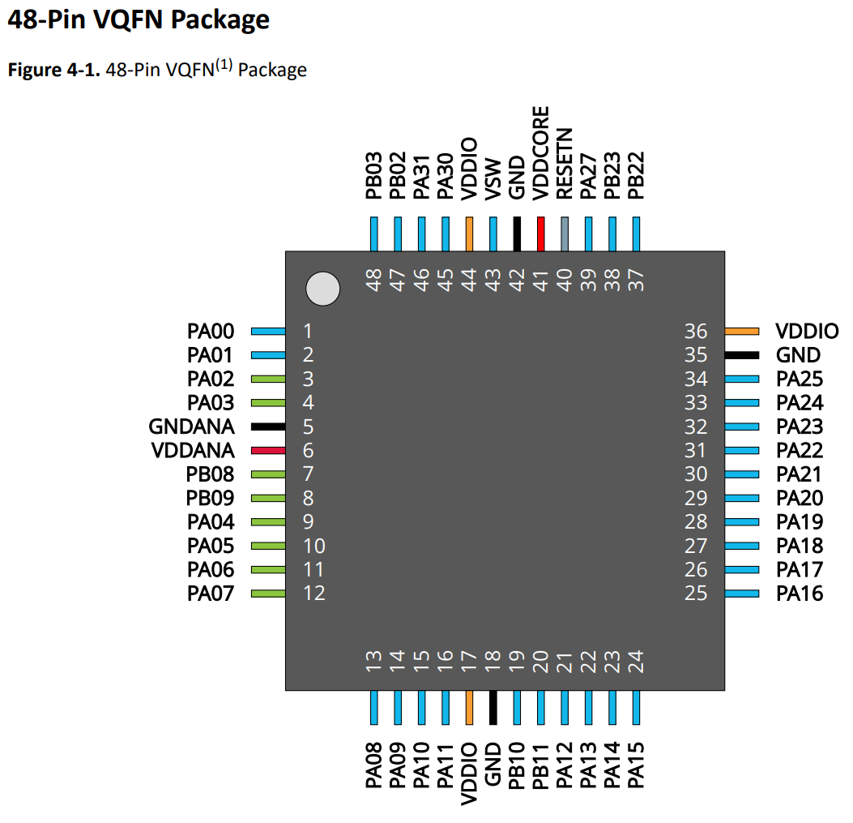
SAMD/E5x Pin Multiplex Table
Datasheet: | SAM-D5x-E5x-Family-Data-Sheet-DS60001507.pdf
Application |  |  |  | Variant | Pin |  |  |  | I/O Pin | A | B |  |  |  |  |  | C | D | E | F | G | H | I | J | K | L | M | N | Arduino Framework Code
Pin Name | Function | Pin mode | Pin init state | Arduino Pin | VQFN 48 SAMD5xG | TQFP/VQFN 64 SAMD5xJ | TQFP 100 SAMD5xN | TQFP 128 SAMD5xP | Port Pin | EIC | REF | ADC0 | ADC1 | AC | DAC | PTC | SERCOM | SERCOM-ALT | TC | TCC | TCC, PDEC | QSPI, CAN1, USB | SDHC, CAN0 | I2S | PCC | GMAC | GCLK, AC | CCL | Pin #defines | Pinmode() | digitalWrite()
TEST |  |  |  | 1 | 48 | 64 | 100 | 128 | PB03 | EXTINT.3 |  | AIN.15 |  |  |  | X/Y.21 |  | SERCOM5.1 | TC6/WO.1 |  |  |  |  |  |  |  |  |  | #define PIN_TEST 1
 |  |  |  |  | 1 | 1 | 1 | 1 | PA00 | EXTINT.0 |  |  |  |  |  |  |  | SERCOM1.0 | TC2/WO.0
 |  |  |  |  | 2 | 2 | 2 | 2 | PA01 | EXTINT.1 |  |  |  |  |  |  |  | SERCOM1.1 | TC2/WO.1
 |  |  |  |  |  |  | 3 | 3 | PC00 | EXTINT.0 |  |  | AIN.10
 |  |  |  |  |  |  | 4 | 4 | PC01 | EXTINT.1 |  |  | AIN.11
 |  |  |  |  |  |  | 5 | 7 | PC02 | EXTINT.2 |  |  | AIN.4
 |  |  |  |  |  |  | 6 | 8 | PC03 | EXTINT.3 |  |  | AIN.5
 |  |  |  |  | 3 | 3 | 7 | 9 | PA02 | EXTINT.2 |  | AIN.0 |  |  | VOUT.0
 |  |  |  |  | 4 | 4 | 8 | 10 | PA03 | EXTINT.3 | VREFA | AIN.1 |  |  |  | X/Y.0
 |  |  |  |  |  | 5 | 9 | 11 | PB04 | EXTINT.4 |  |  | AIN.6 |  |  | X/Y.22
 |  |  |  |  |  | 6 | 10 | 12 | PB05 | EXTINT.5 |  |  | AIN.7 |  |  | X/Y.23
 |  |  |  |  |  |  |  | 13 | PD00 | EXTINT.0 |  |  | AIN.14
 |  |  |  |  |  |  |  | 16 | PD01 | EXTINT.1 |  |  | AIN.15
 |  |  |  |  |  | 9 | 13 | 17 | PB06 | EXTINT.6 |  |  | AIN.8 |  |  | X/Y.24 |  |  |  |  |  |  |  |  |  |  |  | CCL/IN.6
 |  |  |  |  |  | 10 | 14 | 18 | PB07 | EXTINT.7 |  |  | AIN.9 |  |  | X/Y.25 |  |  |  |  |  |  |  |  |  |  |  | CCL/IN.7
 |  |  |  |  | 7 | 11 | 15 | 19 | PB08 | EXTINT.8 |  | AIN.2 | AIN.0 |  |  | X/Y.1 |  | SERCOM4.0 | TC4/WO.0 |  |  |  |  |  |  |  |  | CCL/IN.8
 |  |  |  |  | 8 | 12 | 16 | 20 | PB09 | EXTINT.9 |  | AIN.3 | AIN.1 |  |  | X/Y.2 |  | SERCOM4.1 | TC4/WO.1 |  |  |  |  |  |  |  |  | CCL/OUT.2
 |  |  |  |  | 9 | 13 | 17 | 21 | PA04 | EXTINT.4 | VREFB | AIN.4 |  | AC.0 |  | X/Y.3 |  | SERCOM0.0 | TC0/WO.0 |  |  |  |  |  |  |  |  | CCL/IN.0
 |  |  |  |  | 10 | 14 | 18 | 22 | PA05 | EXTINT.5 |  | AIN.5 |  | AC.1 | VOUT.1 |  |  | SERCOM0.1 | TC0/WO.1 |  |  |  |  |  |  |  |  | CCL/IN.1
 |  |  |  |  | 11 | 15 | 19 | 23 | PA06 | EXTINT.6 | VREFC | AIN.6 |  | AC.2 |  | X/Y.4 |  | SERCOM0.2 | TC1/WO.0 |  |  |  | SDHC0/SDCD |  |  |  |  | CCL/IN.2
 |  |  |  |  | 12 | 16 | 20 | 24 | PA07 | EXTINT.7 |  | AIN.7 |  | AC.3 |  | X/Y.5 |  | SERCOM0.3 | TC1/WO.1 |  |  |  | SDHC0/SDWP |  |  |  |  | CCL/OUT.0
 |  |  |  |  |  |  |  | 27 | PC04 | EXTINT.4 |  |  |  |  |  |  | SERCOM6.0 |  |  | TCC0/WO.0
 |  |  |  |  |  |  | 21 | 28 | PC05 | EXTINT.5 |  |  |  |  |  |  | SERCOM6.1
 |  |  |  |  |  |  | 22 | 29 | PC06 | EXTINT.6 |  |  |  |  |  |  | SERCOM6.2 |  |  |  |  |  | SDHC0/SDCD
 |  |  |  |  |  |  | 23 | 30 | PC07 | EXTINT.9 |  |  |  |  |  |  | SERCOM6.3 |  |  |  |  |  | SDHC0/SDWP
 |  |  |  |  | 13 | 17 | 26 | 33 | PA08 | EXTINT.NMI |  | AIN.8 | AIN.2 |  |  | X/Y.6 | SERCOM0.0 | SERCOM2.1 | TC0/WO.0 | TCC0/WO.0 | TCC1/WO.4 | QSPI/DATA.0 | SDHC0/SDCMD | I2S/MCK.0 |  |  |  | CCL/IN.3
 |  |  |  |  | 14 | 18 | 27 | 34 | PA09 | EXTINT.9 |  | AIN.9 | AIN.3 |  |  | X/Y.7 | SERCOM0.1 | SERCOM2.0 | TC0/WO.1 | TCC0/WO.1 | TCC1/WO.5 | QSPI/DATA.1 | SDHC0/SDDAT.0 | I2S/FS.0 |  |  |  | CCL/IN.4
 |  |  |  |  | 15 | 19 | 28 | 35 | PA10 | EXTINT.10 |  | AIN.10 |  |  |  | X/Y.8 | SERCOM0.2 | SERCOM2.2 | TC1/WO.0 | TCC0/WO.2 | TCC1/WO.6 | QSPI/DATA.2 | SDHC0/SDDAT.1 | I2S/SCK.0 |  |  | GCLK/IO.4 | CCL/IN.5
 |  |  |  |  | 16 | 20 | 29 | 36 | PA11 | EXTINT.11 |  | AIN.11 |  |  |  | X/Y.9 | SERCOM0.3 | SERCOM2.3 | TC1/WO.1 | TCC0/WO.3 | TCC1/WO.7 | QSPI/DATA.3 | SDHC0/SDDAT.2 | I2S/SDO |  |  | GCLK/IO.5 | CCL/OUT.1
 |  |  |  |  | 19 | 23 | 32 | 39 | PB10 | EXTINT.10 |  |  |  |  |  |  |  | SERCOM4.2 | TC5/WO.0 | TCC0/WO.4 | TCC1/WO.0 | QSPI/SCK | SDHC0/SDDAT.3 | I2S/SDI |  |  | GCLK/IO.4 | CCL/IN.11
 |  |  |  |  | 20 | 24 | 33 | 40 | PB11 | EXTINT.11 |  |  |  |  |  |  |  | SERCOM4.3 | TC5/WO.1 | TCC0/WO.5 | TCC1/WO.1 | QSPI/CS | SDHC0/SDCK | I2S/FS.1 |  |  | GCLK/IO.5 | CCL/OUT.1
 |  |  |  |  |  | 25 | 34 | 41 | PB12 | EXTINT.12 |  |  |  |  |  | X/Y.26 | SERCOM4.0 |  | TC4/WO.0 | TCC3/WO.0 | TCC0/WO.0 | CAN1/TX | SDHC0/SDCD | I2S/SCK.1 |  |  | GCLK/IO.6
 |  |  |  |  |  | 26 | 35 | 42 | PB13 | EXTINT.13 |  |  |  |  |  | X/Y.27 | SERCOM4.1 |  | TC4/WO.1 | TCC3/WO.1 | TCC0/WO.1 | CAN1/RX | SDHC0/SDWP | I2S/MCK.1 |  |  | GCLK/IO.7
 |  |  |  |  |  | 27 | 36 | 43 | PB14 | EXTINT.14 |  |  |  |  |  | X/Y.28 | SERCOM4.2 |  | TC5/WO.0 | TCC4/WO.0 | TCC0/WO.2 | CAN1/TX |  |  | PCC/DATA.8 | GMAC/GMDC | GCLK/IO.0 | CCL/IN.9
 |  |  |  |  |  | 28 | 37 | 44 | PB15 | EXTINT.15 |  |  |  |  |  | X/Y.29 | SERCOM4.3 |  | TC5/WO.1 | TCC4/WO.1 | TCC0/WO.3 | CAN1/RX |  |  | PCC/DATA.9 | GMAC/GMDIO | GCLK/IO.1 | CCL/IN.10
 |  |  |  |  |  |  |  | 47 | PD08 | EXTINT.3 |  |  |  |  |  |  | SERCOM7.0 | SERCOM6.1 |  | TCC0/WO.1
 |  |  |  |  |  |  |  | 48 | PD09 | EXTINT.4 |  |  |  |  |  |  | SERCOM7.1 | SERCOM6.0 |  | TCC0/WO.2
 |  |  |  |  |  |  |  | 49 | PD10 | EXTINT.5 |  |  |  |  |  |  | SERCOM7.2 | SERCOM6.2 |  | TCC0/WO.3
 |  |  |  |  |  |  |  | 50 | PD11 | EXTINT.6 |  |  |  |  |  |  | SERCOM7.3 | SERCOM6.3 |  | TCC0/WO.4
 |  |  |  |  |  |  |  | 51 | PD12 | EXTINT.7 |  |  |  |  |  |  |  |  |  | TCC0/WO.5
 |  |  |  |  |  |  | 40 | 52 | PC10 | EXTINT.10 |  |  |  |  |  |  | SERCOM6.2 | SERCOM7.2 |  | TCC0/WO.0 | TCC1/WO.4
 |  |  |  |  |  |  | 41 | 55 | PC11 | EXTINT.11 |  |  |  |  |  |  | SERCOM6.3 | SERCOM7.3 |  | TCC0/WO.1 | TCC1/WO.5 |  |  |  |  | GMAC/GMDC
 |  |  |  |  |  |  | 42 | 56 | PC12 | EXTINT.12 |  |  |  |  |  |  | SERCOM7.0 | SERCOM6.1 |  | TCC0/WO.2 | TCC1/WO.6 |  |  |  | PCC/DATA.10 | GMAC/GMDIO
 |  |  |  |  |  |  | 43 | 57 | PC13 | EXTINT.13 |  |  |  |  |  |  | SERCOM7.1 | SERCOM6.0 |  | TCC0/WO.3 | TCC1/WO.7 |  |  |  | PCC/DATA.11
 |  |  |  |  |  |  | 44 | 58 | PC14 | EXTINT.14 |  |  |  |  |  |  | SERCOM7.2 | SERCOM6.2 |  | TCC0/WO.4 | TCC1/WO.0 |  |  |  | PCC/DATA.12 | GMAC/GRX.3
 |  |  |  |  |  |  | 45 | 59 | PC15 | EXTINT.15 |  |  |  |  |  |  | SERCOM7.3 | SERCOM6.3 |  | TCC0/WO.5 | TCC1/WO.1 |  |  |  | PCC/DATA.13 | GMAC/GRX.2
 |  |  |  |  | 21 | 29 | 46 | 60 | PA12 | EXTINT.12 |  |  |  |  |  |  | SERCOM2.0 | SERCOM4.1 | TC2/WO.0 | TCC0/WO.6 | TCC1/WO.2 |  | SDHC0/SDCD |  | PCC/DEN.1 | GMAC/GRX.1 | AC/CMP.0
 |  |  |  |  | 22 | 30 | 47 | 61 | PA13 | EXTINT.13 |  |  |  |  |  |  | SERCOM2.1 | SERCOM4.0 | TC2/WO.1 | TCC0/WO.7 | TCC1/WO.3 |  | SDHC0/SDWP |  | PCC/DEN.2 | GMAC/GRX.0 | AC/CMP.1
 |  |  |  |  | 23 | 31 | 48 | 62 | PA14 | EXTINT.14 |  |  |  |  |  |  | SERCOM2.2 | SERCOM4.2 | TC3/WO.0 | TCC2/WO.0 | TCC1/WO.2 |  |  |  | PCC/CLK | GMAC/GTXCK | GCLK/IO.0
 |  |  |  |  | 24 | 32 | 49 | 63 | PA15 | EXTINT.15 |  |  |  |  |  |  | SERCOM2.3 | SERCOM4.3 | TC3/WO.1 | TCC2/WO.1 | TCC1/WO.3 |  |  |  |  | GMAC/GRXER | GCLK/IO.1
 |  |  |  |  | 25 | 35 | 52 | 66 | PA16 | EXTINT.0 |  |  |  |  |  | X/Y.10 | SERCOM1.0 | SERCOM3.1 | TC2/WO.0 | TCC1/WO.0 | TCC0/WO.4 |  |  |  | PCC/DATA.0 | GMAC/GCRS/GRXDV | GCLK/IO.2 | CCL/IN.0
 |  |  |  |  | 26 | 36 | 53 | 67 | PA17 | EXTINT.1 |  |  |  |  |  | X/Y.11 | SERCOM1.1 | SERCOM3.0 | TC2/WO.1 | TCC1/WO.1 | TCC0/WO.5 |  |  |  | PCC/DATA.1 | GMAC/GTXEN | GCLK/IO.3 | CCL/IN.1
 |  |  |  |  | 27 | 37 | 54 | 68 | PA18 | EXTINT.2 |  |  |  |  |  | X/Y.12 | SERCOM1.2 | SERCOM3.2 | TC3/WO.0 | TCC1/WO.2 | TCC0/WO.6 |  |  |  | PCC/DATA.2 | GMAC/GTX.0 | AC/CMP.0 | CCL/IN.2
 |  |  |  |  | 28 | 38 | 55 | 69 | PA19 | EXTINT.3 |  |  |  |  |  | X/Y.13 | SERCOM1.3 | SERCOM3.3 | TC3/WO.1 | TCC1/WO.3 | TCC0/WO.7 |  |  |  | PCC/DATA.3 | GMAC/GTX.1 | AC/CMP.1 | CCL/OUT.0
 |  |  |  |  |  |  | 56 | 70 | PC16 | EXTINT.0 |  |  |  |  |  |  | SERCOM6.0 | SERCOM0.1 |  | TCC0/WO.0 | PDEC.0 |  |  |  |  | GMAC/GTX.2
 |  |  |  |  |  |  | 57 | 71 | PC17 | EXTINT.1 |  |  |  |  |  |  | SERCOM6.1 | SERCOM0.0 |  | TCC0/WO.1 | PDEC.1 |  |  |  |  | GMAC/GTX.3
 |  |  |  |  |  |  | 58 | 72 | PC18 | EXTINT.2 |  |  |  |  |  |  | SERCOM6.2 | SERCOM0.2 |  | TCC0/WO.2 | PDEC.2 |  |  |  |  | GMAC/GRXCK
 |  |  |  |  |  |  | 59 | 73 | PC19 | EXTINT.3 |  |  |  |  |  |  | SERCOM6.3 | SERCOM0.3 |  | TCC0/WO.3 |  |  |  |  |  | GMAC/GTXER
 |  |  |  |  |  |  | 60 | 74 | PC20 | EXTINT.4 |  |  |  |  |  |  |  |  |  | TCC0/WO.4 |  |  | SDHC1/SDCD |  |  | GMAC/GRXDV |  | CCL/IN.9
 |  |  |  |  |  |  | 61 | 75 | PC21 | EXTINT.5 |  |  |  |  |  |  |  |  |  | TCC0/WO.5 |  |  | SDHC1/SDWP |  |  | GMAC/GCOL |  | CCL/IN.10
 |  |  |  |  |  |  |  | 76 | PC22 | EXTINT.6 |  |  |  |  |  |  | SERCOM1.0 | SERCOM3.1 |  | TCC0/WO.6 |  |  |  |  |  | GMAC/GMDC
 |  |  |  |  |  |  |  | 77 | PC23 | EXTINT.7 |  |  |  |  |  |  | SERCOM1.1 | SERCOM3.0 |  | TCC0/WO.7 |  |  |  |  |  | GMAC/GMDIO
 |  |  |  |  |  |  |  | 80 | PD20 | EXTINT.10 |  |  |  |  |  |  | SERCOM1.2 | SERCOM3.2 |  | TCC1/WO.0 |  |  | SDHC1/SDCD
 |  |  |  |  |  |  |  | 81 | PD21 | EXTINT.11 |  |  |  |  |  |  | SERCOM1.3 | SERCOM3.3 |  | TCC1/WO.1 |  |  | SDHC1/SDWP
 |  |  |  |  |  | 39 | 64 | 82 | PB16 | EXTINT.0 |  |  |  |  |  |  | SERCOM5.0 |  |  | TCC3/WO.0 | TCC0/WO.4 |  | SDHC1/SDCD | I2S/SCK.0 |  |  | GCLK/IO.2 | CCL/IN.11
 |  |  |  |  |  | 40 | 65 | 83 | PB17 | EXTINT.1 |  |  |  |  |  |  | SERCOM5.1 |  |  | TCC3/WO.1 | TCC0/WO.5 |  | SDHC1/SDWP | I2S/MCK.0 |  |  | GCLK/IO.3 | CCL/OUT.3
 |  |  |  |  |  |  | 66 | 84 | PB18 | EXTINT.2 |  |  |  |  |  |  | SERCOM5.2 | SERCOM7.2 |  | TCC1/WO.0 | PDEC.0 |  | SDHC1/SDDAT.0 |  |  |  | GCLK/IO.4
 |  |  |  |  |  |  | 67 | 85 | PB19 | EXTINT.3 |  |  |  |  |  |  | SERCOM5.3 | SERCOM7.3 |  | TCC1/WO.1 | PDEC.1 |  | SDHC1/SDDAT.1 |  |  |  | GCLK/IO.5
 |  |  |  |  |  |  | 68 | 86 | PB20 | EXTINT.4 |  |  |  |  |  |  | SERCOM3.0 | SERCOM7.1 |  | TCC1/WO.2 | PDEC.2 |  | SDHC1/SDDAT.2 |  |  |  | GCLK/IO.6
 |  |  |  |  |  |  | 69 | 87 | PB21 | EXTINT.5 |  |  |  |  |  |  | SERCOM3.1 | SERCOM7.0 |  | TCC1/WO.3 |  |  | SDHC1/SDDAT.3 |  |  |  | GCLK/IO.7
 |  |  |  |  | 29 | 41 | 70 | 88 | PA20 | EXTINT.4 |  |  |  |  |  | X/Y.14 | SERCOM5.2 | SERCOM3.2 |  | TCC1/WO.4 | TCC0/WO.0 |  | SDHC1/SDCMD | I2S/FS.0 | PCC/DATA.4 | GMAC/GMDC
 |  |  |  |  | 30 | 42 | 71 | 89 | PA21 | EXTINT.5 |  |  |  |  |  | X/Y.15 | SERCOM5.3 | SERCOM3.3 |  | TCC1/WO.5 | TCC0/WO.1 |  | SDHC1/SDCK | I2S/SDO | PCC/DATA.5 | GMAC/GMDIO
 |  |  |  |  | 31 | 43 | 72 | 92 | PA22 | EXTINT.6 |  |  |  |  |  | X/Y.16 | SERCOM3.0 | SERCOM5.1 |  | TCC1/WO.6 | TCC0/WO.2 |  | CAN0/TX | I2S/SDI | PCC/DATA.6 |  |  | CCL/IN.6
 |  |  |  |  | 32 | 44 | 73 | 93 | PA23 | EXTINT.7 |  |  |  |  |  | X/Y.17 | SERCOM3.1 | SERCOM5.0 |  | TCC1/WO.7 | TCC0/WO.3 | USB/ SOF_1K HZ | CAN0/RX | I2S/FS.1 | PCC/DATA.7 |  |  | CCL/IN.7
 |  |  |  |  | 33 | 45 | 74 | 94 | PA24 | EXTINT.8 |  |  |  |  |  |  | SERCOM3.2 | SERCOM5.2 |  | TCC2/WO.2 | PDEC.0 | USB/DM | CAN0/TX |  |  |  |  | CCL/IN.8
 |  |  |  |  | 34 | 46 | 75 | 95 | PA25 | EXTINT.9 |  |  |  |  |  |  | SERCOM3.3 | SERCOM5.3 |  |  | PDEC.1 | USB/DP | CAN0/RX |  |  |  |  | CCL/OUT.2
 |  |  |  |  | 37 | 49 | 78 | 98 | PB22 | EXTINT.6 |  |  |  |  |  |  | SERCOM1.2 | SERCOM5.2 |  |  | PDEC.2 | USB/ SOF_1K HZ |  |  |  |  | GCLK/IO.0 | CCL/IN.0
 |  |  |  |  | 38 | 50 | 79 | 99 | PB23 | EXTINT.7 |  |  |  |  |  |  | SERCOM1.3 | SERCOM5.3 |  |  | PDEC.0 |  |  |  |  |  | GCLK/IO.1 | CCL/OUT.0
 |  |  |  |  |  |  | 80 | 100 | PB24 | EXTINT.8 |  |  |  |  |  |  | SERCOM0.0 | SERCOM2.1 |  |  | PDEC.1 |  |  |  |  |  | AC/CMP.0
 |  |  |  |  |  |  | 81 | 101 | PB25 | EXTINT.9 |  |  |  |  |  |  | SERCOM0.1 | SERCOM2.0 |  |  | PDEC.2 |  |  |  |  |  | AC/CMP.1
 |  |  |  |  |  |  |  | 102 | PB26 | EXTINT.12 |  |  |  |  |  |  | SERCOM2.0 | SERCOM4.1 |  | TCC1/WO.2 | TCC1/WO.2
 |  |  |  |  |  |  |  | 103 | PB27 | EXTINT.13 |  |  |  |  |  |  | SERCOM2.1 | SERCOM4.0 |  | TCC1/WO.3 | TCC1/WO.3
 |  |  |  |  |  |  |  | 104 | PB28 | EXTINT.14 |  |  |  |  |  |  | SERCOM2.2 | SERCOM4.2 |  | TCC1/WO.4 | TCC1/WO.4 |  |  | I2S/SCK.1
 |  |  |  |  |  |  |  | 105 | PB29 | EXTINT.15 |  |  |  |  |  |  | SERCOM2.3 | SERCOM4.3 |  | TCC1/WO.5 | TCC1/WO.5 |  |  | I2S/MCK.1
 |  |  |  |  |  |  | 82 | 108 | PC24 | EXTINT.8 |  |  |  |  |  |  | SERCOM0.2 | SERCOM2.2 |  |  |  | CORTE X_CM4/ TRACE DATA.3
 |  |  |  |  |  |  | 83 | 109 | PC25 | EXTINT.9 |  |  |  |  |  |  | SERCOM0.3 | SERCOM2.3 |  |  |  | CORTE X_CM4/ TRACE DATA.2
 |  |  |  |  |  |  | 84 | 110 | PC26 | EXTINT.10 |  |  |  |  |  |  |  |  |  |  |  | CORTE X_CM4/ TRACE DATA.1
 |  |  |  |  |  |  | 85 | 111 | PC27 | EXTINT.11 |  |  |  |  |  |  | SERCOM1.0 |  |  |  |  | CORTE X_CM4/ TRACE CLK |  |  |  |  | CORTEX_M4/SWO | CCL/IN.4
 |  |  |  |  |  |  | 86 | 112 | PC28 | EXTINT.12 |  |  |  |  |  |  | SERCOM1.1 |  |  |  |  | CORTE X_CM4/ TRACE DATA.0 |  |  |  |  |  | CCL/IN.5
 |  |  |  |  | 39 | 51 | 87 | 113 | PA27 | EXTINT.11 |  |  |  |  |  | X/Y.18 |  |  |  |  |  |  |  |  |  |  | GCLK/IO.1
 |  |  |  |  | 40 | 52 | 88 | 114 | RESET | EXTINT.
 |  |  |  |  | 45 | 57 | 93 | 119 | PA30 | EXTINT.14 |  |  |  |  |  | X/Y.19 | SERCOM7.2 | SERCOM1.2 |  | TCC2/WO.0 |  | CORTE X_CM4/ SWCLK |  |  |  |  | GCLK/IO.0 | CCL/IN.3
 |  |  |  |  | 46 | 58 | 94 | 120 | PA31 | EXTINT.15 |  |  |  |  |  |  | SERCOM7.3 | SERCOM1.3 |  | TCC2/WO.1 |  | CORTE X_CM4/ SWDIO |  |  |  |  |  | CCL/OUT.1
 |  |  |  |  |  | 59 | 95 | 121 | PB30 | EXTINT.14 |  |  |  |  |  |  | SERCOM7.0 | SERCOM5.1 |  | TCC4/WO.0 | TCC0/WO.6 | CORTE X_CM4/ SWO
 |  |  |  |  |  | 60 | 96 | 122 | PB31 | EXTINT.15 |  |  |  |  |  |  | SERCOM7.1 | SERCOM5.0 |  | TCC4/WO.1 | TCC0/WO.7
 |  |  |  |  |  |  |  | 123 | PC30 | EXTINT.14 |  |  | AIN.12
 |  |  |  |  |  |  |  | 124 | PC31 | EXTINT.15 |  |  | AIN.13
 |  |  |  |  |  | 61 | 97 | 125 | PB00 | EXTINT.0 |  | AIN.12 |  |  |  | X/Y.30 |  | SERCOM5.2 |  |  |  |  |  |  |  |  |  | CCL/IN.1
 |  |  |  |  |  | 62 | 98 | 126 | PB01 | EXTINT.1 |  | AIN.13 |  |  |  | X/Y.31 |  | SERCOM5.3 |  |  |  |  |  |  |  |  |  | CCL/IN.2
 |  |  |  |  | 47 | 63 | 99 | 127 | PB02 | EXTINT.2 |  | AIN.14 |  |  |  | X/Y.20 |  | SERCOM5.0 |  |  |  |  |  |  |  |  |  | CCL/OUT.0

